Fendi
 |  |  |  |  |  |  |  |  | 36 | 38 | 40 | 42 | 44 | 46 | 48 | 50 | 52 |  |  |  | XXS | XS | S | M | L | XL
NUMBER | REFERENCE | SEASON | GENDER | NAME DESCRIPTION | COLOR DESCRIPTION | COMPOSITION | HTS CODE | RETAIL | 35 | 36 | 36.5 | 37 | 37.5 | 38 | 38.5 | 39 | 39.5 | 40 | 41 | 42 |  |  |  |  |  |  |  |  |  |  |  | TOTAL | PHOTO
1 | 8U6786_A3SG_F13N1 | FW | WOMAN | BOOT | MULTICOLOR | UPPER: 100% LE SOLE: 100% LE | 64035199 | 1,290.00 € | 0 | 2 | 0 | 0 | 0 | 3 | 0 | 0 | 0 | 0 | 1 | 0 | 0 | 0 | 0 | 0 | 0 | 0 | 0 | 0 | 0 | 0 | 0 | 6 | 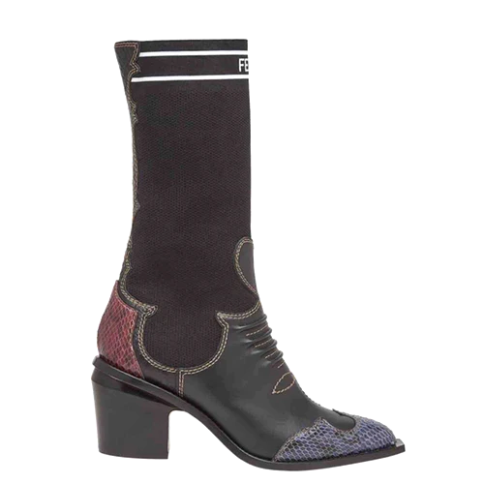
2 | 8T6776_A33Q_F112E | FW | WOMAN | BOOTIE | BLACK WIDZARD | UPPER: 100% CALF LE SOLE: 100% LE | 64035119 | 950.00 € | 1 | 0 | 0 | 3 | 0 | 0 | 0 | 0 | 0 | 0 | 9 | 1 | 0 | 0 | 0 | 0 | 0 | 0 | 0 | 0 | 0 | 0 | 0 | 14 | 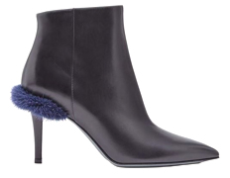
3 | FF8367_A7GO_F09UH | FW | WOMAN | COAT | PEPPER BLACKTEA | 100% WS | 62021100 | 8,500.00 € | 0 | 1 | 4 | 5 | 8 |  |  |  |  |  | 0 |  |  | 0 | 0 | 0 | 0 | 0 | 0 | 0 | 0 | 0 | 0 | 18 | 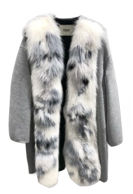
4 | FF8561_A5GO_F14FG | FW | WOMAN | COAT | BASALT | 100% WO | 62021100 | 4,000.00 € | 0 | 0 | 0 | 1 | 6 | 3 | 2 | 2 | 1 | 0 | 0 |  |  |  |  |  |  | 0 | 0 | 0 | 0 | 0 | 0 | 15 | 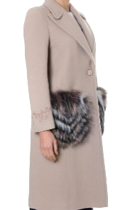
5 | FD9653_A3MT_F0GME | FW | WOMAN | DRESS | BLACK | 92% VI 8% SE | 62044400 | 3,600.00 € | 1 | 5 | 4 | 12 | 0 |  | 0 | 0 | 0 |  | 0 |  | 0 | 0 | 0 | 0 | 0 | 0 | 0 | 0 | 0 | 0 | 0 | 22 | 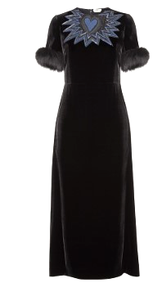
6 | FD9803_A3N1_F0GME | FW | WOMAN | DRESS | BLACK | 80% PL 14% VI 6% EA | 62044300 | 1,900.00 € | 2 | 6 | 4 | 2 | 1 |  | 0 | 0 | 0 |  |  |  |  | 0 | 0 | 0 | 0 | 0 | 0 | 0 | 0 | 0 | 0 | 15 | 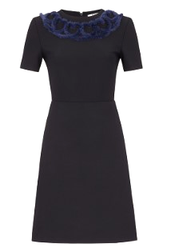
7 | FJ6952_A5GO_F0GXR | FW | WOMAN | JACKET | POMPEI | 100% WO | 62021100 | 3,600.00 € | 4 | 10 | 16 | 19 | 16 | 9 | 0 | 0 | 0 |  | 0 |  |  |  | 0 | 0 | 0 | 0 | 0 | 0 | 0 | 0 | 0 | 74 | 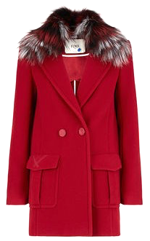
8 | FLF522_A3ND_F0QA2 | FW | WOMAN | PARKA | BLUE | 98% CO 2% EA | 62021210 | 4,600.00 € | 0 | 6 | 7 | 6 | 2 |  | 0 | 0 | 0 |  | 0 |  |  | 0 | 0 | 0 | 0 | 0 | 0 | 0 | 0 | 0 | 0 | 21 | 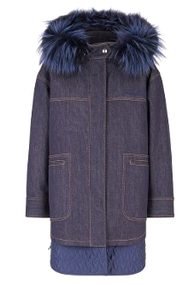
9 | 8I6777_A33Q_F12LQ | FW | WOMAN | PUMP | AMLIGHT BLUEONIA CHEESECAKE | UPPER: 100% CALF LE SOLE: 100% LE | 64035999 | 650.00 € | 0 | 0 | 0 | 5 | 2 | 7 | 0 | 6 | 1 | 17 | 6 | 0 | 0 | 0 | 0 | 0 | 0 | 0 | 0 | 0 | 0 | 0 | 0 | 44
10 | 8I6777_A15F_F112F | FW | WOMAN | PUMP | SAND MARSHMELLOW | UPPER: 100% LE SOLE: 100% LE | 64035999 | 650.00 € | 0 | 4 | 0 | 0 | 1 | 10 | 0 | 0 | 1 | 12 | 3 | 0 | 0 | 0 | 0 | 0 | 0 | 0 | 0 | 0 | 0 | 0 | 0 | 31
11 | 8I6777_A15F_F112E | FW | WOMAN | PUMP | BLACK WIDZARD | UPPER: 100% LE SOLE: 100% LE | 64035999 | 650.00 € | 0 | 3 | 1 | 3 | 0 | 0 | 2 | 0 | 1 | 6 | 5 | 0 | 0 | 0 | 0 | 0 | 0 | 0 | 0 | 0 | 0 | 0 | 0 | 21
12 | 8X6745_A33Q_F112E | FW | WOMAN | SANDAL | BLACK WIDZARD | UPPER: 100% CALF LE SOLE: 100% LE | 64035999 | 790.00 € | 3 | 8 | 0 | 6 | 5 | 11 | 9 | 14 | 2 | 13 | 12 | 0 | 0 | 0 | 0 | 0 | 0 | 0 | 0 | 0 | 0 | 0 | 0 | 83 | 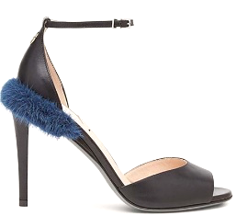
13 | 8X6745_A33Q_F12LQ | FW | WOMAN | SANDAL | AMLIGHT BLUEONIA CHEESECAKE | UPPER: 100% CALF LE SOLE: 100% LE | 64035999 | 790.00 € | 1 | 7 | 0 | 4 | 1 | 8 | 2 | 7 | 0 | 9 | 3 | 0 | 0 | 0 | 0 | 0 | 0 | 0 | 0 | 0 | 0 | 0 | 0 | 42 | 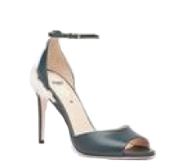
14 | 8X6745_A33Q_F112F | FW | WOMAN | SANDAL | SAND MARSHMELLOW | UPPER: 100% CALF LE SOLE: 100% LE | 64035999 | 790.00 € | 2 | 4 | 0 | 6 | 2 | 3 | 0 | 4 | 2 | 12 | 5 | 0 | 0 | 0 | 0 | 0 | 0 | 0 | 0 | 0 | 0 | 0 | 0 | 40 | 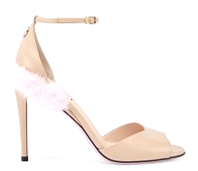
15 | FAC053_A47Q_F12QD | FW | WOMAN | SKIWEAR | CUPCAKE | 48% PL 41% PA 11% EA | 65040000 | 1,300.00 € | 0 | 0 | 0 | 0 | 0 | 0 | 0 | 0 | 0 | 0 | 0 | 0 | 0 | 4 | 3 | 5 | 0 | 0 | 0 |  |  |  | 0 | 12
16 | FZY681_A3PV_F0GME | FW | WOMAN | SWEATER | BLACK | 70% WO 30% WS | 61101190 | 950.00 € | 0 | 0 | 1 | 0 | 4 | 1 | 1 | 0 | 0 |  | 0 | 0 |  |  |  | 0 | 0 | 0 | 0 | 0 | 0 | 0 | 0 | 7 | 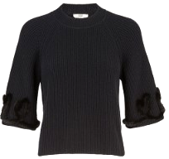
17 | FS7051_O2G_F0GME | FW | WOMAN | SWEATSHIRT | BLACK | 100% CO | 61142000 | 1,500.00 € | 0 | 0 | 0 | 0 | 0 | 0 | 0 | 0 | 0 | 0 | 0 | 0 | 2 | 22 | 11 | 6 | 5 | 1 |  |  |  |  |  | 47 | 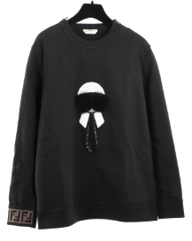
18 | FS7051_O2G_F0ZNM | FW | WOMAN | SWEATSHIRT | WHITE | 100% CO | 61142000 | 1,500.00 € | 0 | 0 | 0 | 0 | 0 | 0 | 0 | 0 | 0 | 0 | 0 | 0 | 2 | 9 | 9 | 0 | 2 | 2 |  |  |  |  |  | 24 | 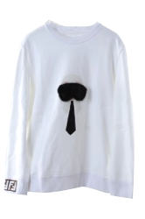
19 | FF8426_A5GY_F14PH | SS | WOMAN | COAT | ARUBA | 99% WO 1% PA | 62021100 | 4,400.00 € | 0 | 0 | 0 | 0 | 6 | 3 | 0 | 0 | 0 | 0 | 0 | 0 |  |  | 0 | 0 | 0 | 0 | 0 | 0 | 0 | 0 | 0 | 9 | 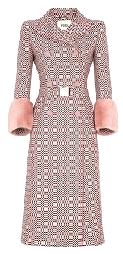
20 | FF8583_A5GV_F14PJ | SS | WOMAN | COAT | ANTIGUA | 88% WO 7% SE 4% PA 1% EA | 62021100 | 4,100.00 € | 1 | 2 | 1 | 1 | 2 |  | 0 | 0 | 0 |  | 0 |  |  | 0 | 0 | 0 | 0 | 0 | 0 | 0 | 0 | 0 | 0 | 7 | 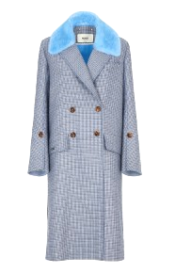
21 | FJ6866_W18_F118D | SS | WOMAN | JACKET | WHITE LOVE | 100% WS | 62021100 | 3,700.00 € | 1 |  | 1 | 6 | 6 | 1 | 0 | 0 | 0 |  | 0 |  |  |  | 0 | 0 | 0 | 0 | 0 | 0 | 0 | 0 | 0 | 15 | 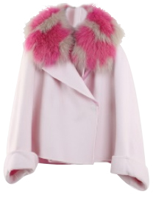
22 | 8I6672_A15F_F112E | SS | WOMAN | PUMP | BLACK WIDZARD | UPPER: 100% LE SOLE: 100% LE | 64035999 | 650.00 € | 0 | 0 | 0 | 3 | 3 | 0 | 0 | 0 | 0 | 2 | 3 | 0 | 0 | 0 | 0 | 0 | 0 | 0 | 0 | 0 | 0 | 0 | 0 | 11 | 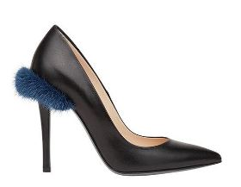
23 | 8I6672_A15F_F112F | SS | WOMAN | PUMP | SAND MARSHMELLOW | UPPER: 100% LE SOLE: 100% LE | 64035999 | 650.00 € | 0 | 1 | 0 | 1 | 1 | 0 | 0 | 0 | 0 | 2 | 1 | 1 | 0 | 0 | 0 | 0 | 0 | 0 | 0 | 0 | 0 | 0 | 0 | 7 | 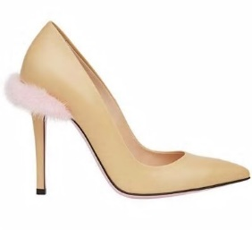
24 | FZY766_A61I_F14PJ | SS | WOMAN | SWEATER | ANTIGUA | 100% WS | 61101290 | 1,950.00 € | 0 | 1 | 1 | 8 | 9 | 1 | 1 | 0 | 0 |  | 0 |  |  |  |  | 0 | 0 | 0 | 0 | 0 | 0 | 0 | 0 | 21 | 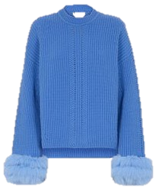
25 | FS7036_89J_F0ZNM | SS | WOMAN | T-SHIRT | WHITE | 100% CO | 61091000 | 1,100.00 € | 0 | 0 | 0 | 0 | 0 | 0 | 0 | 0 | 0 | 0 | 0 | 0 | 11 | 53 | 36 | 9 | 5 |  |  |  |  |  | 0 | 114 | 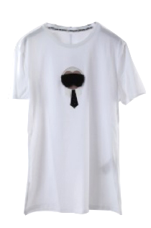
26 | 8E6701_ODH_F12M1 | SS | WOMAN | SNEAKER | BLUE | UPPER: 87% PA 13% EA SOLE: 100% RU |  | 630.00 € | 0 | 0 | 0 | 1 | 0 | 1 | 0 | 0 | 0 | 0 | 0 | 0 | 0 | 0 | 0 | 0 | 0 | 0 | 0 | 0 | 0 | 0 | 0 | 2
27 | FS7011_A279_F0ZNM | SS | WOMAN | T-SHIRT | WHITE | 100% CO |  | 850.00 € | 0 | 0 | 0 | 0 | 0 | 0 | 0 | 0 | 0 | 0 | 0 | 0 | 0 | 0 | 0 | 10 | 0 | 0 | 0 | 0 |  | 0 | 0 | 10 | 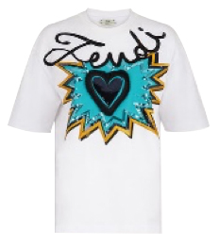
 |  |  |  |  |  |  |  |  |  |  |  |  |  |  |  |  |  |  |  |  |  |  |  |  |  |  |  |  |  |  |  | 732

